Sheet1
Instructions

1. Read the article on Singapore's Peoperty District and Regions
 | https://www.redbrick.sg/blog/singapore-districts-and-regions/

2. Create the Adjacency Matrix of the 29 districts.
 | This is equivalent to the Weight Matrix for Areal Process where a neighbouring district is given value 1.

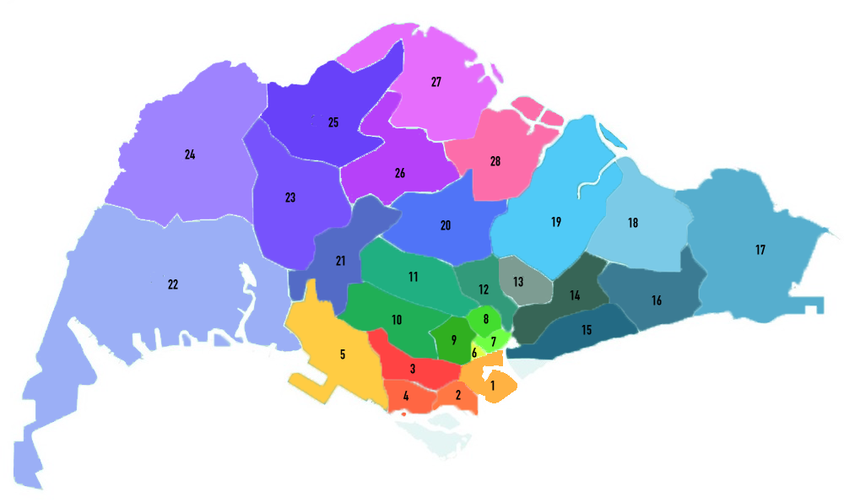

 |  | 1 | 2 | 3 | 4 | 5 | 6 | 7 | 8 | 9 | 10 | 11 | 12 | 13 | 14 | 15 | 16 | 17 | 18 | 19 | 20 | 21 | 22 | 23 | 24 | 25 | 26 | 27 | 28
 | 1 | 1 | 1 | 1 | 0 | 0 | 1 | 1 | 0 | 1 | 0 | 0 | 0 | 0 | 0 | 0 | 0 | 0 | 0 | 0 | 0 | 0 | 0 | 0 | 0 | 0 | 0 | 0 | 0
 | 2 | 1 | 1 | 1 | 1 | 0 | 0 | 0 | 0 | 0 | 0 | 0 | 0 | 0 | 0 | 0 | 0 | 0 | 0 | 0 | 0 | 0 | 0 | 0 | 0 | 0 | 0 | 0 | 0
 | 3 | 1 | 1 | 1 | 1 | 1 | 0 | 0 | 0 | 1 | 1 | 0 | 0 | 0 | 0 | 0 | 0 | 0 | 0 | 0 | 0 | 0 | 0 | 0 | 0 | 0 | 0 | 0 | 0
 | 4 | 0 | 1 | 1 | 1 | 1 | 0 | 0 | 0 | 0 | 0 | 0 | 0 | 0 | 0 | 0 | 0 | 0 | 0 | 0 | 0 | 0 | 0 | 0 | 0 | 0 | 0 | 0 | 0
 | 5 | 0 | 0 | 1 | 1 | 1 | 0 | 0 | 0 | 0 | 1 | 0 | 0 | 0 | 0 | 0 | 0 | 0 | 0 | 0 | 0 | 1 | 1 | 0 | 0 | 0 | 0 | 0 | 0
 | 6 | 1 | 0 | 0 | 0 | 0 | 1 | 1 | 0 | 1 | 0 | 0 | 0 | 0 | 0 | 0 | 0 | 0 | 0 | 0 | 0 | 0 | 0 | 0 | 0 | 0 | 0 | 0 | 0
 | 7 | 1 | 0 | 0 | 0 | 0 | 1 | 1 | 1 | 1 | 0 | 0 | 1 | 0 | 1 | 0 | 0 | 0 | 0 | 0 | 0 | 0 | 0 | 0 | 0 | 0 | 0 | 0 | 0
 | 8 | 0 | 0 | 0 | 0 | 0 | 0 | 1 | 1 | 1 | 0 | 1 | 1 | 0 | 1 | 0 | 0 | 0 | 0 | 0 | 0 | 0 | 0 | 0 | 0 | 0 | 0 | 0 | 0
 | 9 | 1 | 0 | 1 | 0 | 0 | 1 | 1 | 1 | 1 | 1 | 1 | 0 | 0 | 0 | 0 | 0 | 0 | 0 | 0 | 0 | 0 | 0 | 0 | 0 | 0 | 0 | 0 | 0
 | 10 | 0 | 0 | 1 | 0 | 1 | 0 | 0 | 0 | 1 | 1 | 0 | 0 | 0 | 0 | 0 | 0 | 0 | 0 | 0 | 0 | 1 | 0 | 0 | 0 | 0 | 0 | 0 | 0
 | 11 | 0 | 0 | 0 | 0 | 0 | 0 | 0 | 1 | 1 | 0 | 1 | 1 | 0 | 0 | 0 | 0 | 0 | 0 | 0 | 1 | 1 | 0 | 0 | 0 | 0 | 0 | 0 | 0
 | 12 | 0 | 0 | 0 | 0 | 0 | 0 | 1 | 1 | 0 | 0 | 1 | 1 | 0 | 0 | 0 | 0 | 0 | 0 | 0 | 1 | 0 | 0 | 0 | 0 | 0 | 0 | 0 | 0
 | 13 | 0 | 0 | 0 | 0 | 0 | 0 | 0 | 0 | 0 | 0 | 0 | 0 | 1 | 1 | 0 | 0 | 0 | 0 | 1 | 0 | 0 | 0 | 0 | 0 | 0 | 0 | 0 | 0
 | 14 | 0 | 0 | 0 | 0 | 0 | 0 | 1 | 1 | 0 | 0 | 0 | 0 | 1 | 1 | 1 | 1 | 0 | 1 | 1 | 0 | 0 | 0 | 0 | 0 | 0 | 0 | 0 | 0
 | 15 | 0 | 0 | 0 | 0 | 0 | 0 | 0 | 0 | 0 | 0 | 0 | 0 | 0 | 1 | 1 | 1 | 0 | 0 | 0 | 0 | 0 | 0 | 0 | 0 | 0 | 0 | 0 | 0
 | 16 | 0 | 0 | 0 | 0 | 0 | 0 | 0 | 0 | 0 | 0 | 0 | 0 | 0 | 1 | 1 | 1 | 1 | 1 | 0 | 0 | 0 | 0 | 0 | 0 | 0 | 0 | 0 | 0
 | 17 | 0 | 0 | 0 | 0 | 0 | 0 | 0 | 0 | 0 | 0 | 0 | 0 | 0 | 0 | 0 | 1 | 1 | 1 | 0 | 0 | 0 | 0 | 0 | 0 | 0 | 0 | 0 | 0
 | 18 | 0 | 0 | 0 | 0 | 0 | 0 | 0 | 0 | 0 | 0 | 0 | 0 | 0 | 1 | 0 | 1 | 1 | 1 | 1 | 0 | 0 | 0 | 0 | 0 | 0 | 0 | 0 | 0
 | 19 | 0 | 0 | 0 | 0 | 0 | 0 | 0 | 0 | 0 | 0 | 0 | 0 | 1 | 1 | 0 | 0 | 0 | 1 | 1 | 1 | 0 | 0 | 0 | 0 | 0 | 0 | 0 | 1
 | 20 | 0 | 0 | 0 | 0 | 0 | 0 | 0 | 0 | 0 | 0 | 1 | 1 | 0 | 0 | 0 | 0 | 0 | 0 | 1 | 1 | 1 | 0 | 0 | 0 | 0 | 1 | 0 | 1
 | 21 | 0 | 0 | 0 | 0 | 1 | 0 | 0 | 0 | 0 | 1 | 1 | 0 | 0 | 0 | 0 | 0 | 0 | 0 | 0 | 1 | 1 | 1 | 1 | 0 | 0 | 1 | 0 | 0
 | 22 | 0 | 0 | 0 | 0 | 1 | 0 | 0 | 0 | 0 | 0 | 0 | 0 | 0 | 0 | 0 | 0 | 0 | 0 | 0 | 0 | 1 | 1 | 1 | 1 | 0 | 0 | 0 | 0
 | 23 | 0 | 0 | 0 | 0 | 0 | 0 | 0 | 0 | 0 | 0 | 0 | 0 | 0 | 0 | 0 | 0 | 0 | 0 | 0 | 0 | 1 | 1 | 1 | 1 | 1 | 0 | 0 | 0
 | 24 | 0 | 0 | 0 | 0 | 0 | 0 | 0 | 0 | 0 | 0 | 0 | 0 | 0 | 0 | 0 | 0 | 0 | 0 | 0 | 0 | 0 | 1 | 1 | 1 | 1 | 0 | 0 | 0
 | 25 | 0 | 0 | 0 | 0 | 0 | 0 | 0 | 0 | 0 | 0 | 0 | 0 | 0 | 0 | 0 | 0 | 0 | 0 | 0 | 0 | 0 | 0 | 1 | 1 | 1 | 1 | 1 | 0
 | 26 | 0 | 0 | 0 | 0 | 0 | 0 | 0 | 0 | 0 | 0 | 0 | 0 | 0 | 0 | 0 | 0 | 0 | 0 | 0 | 1 | 1 | 0 | 0 | 0 | 1 | 1 | 1 | 1
 | 27 | 0 | 0 | 0 | 0 | 0 | 0 | 0 | 0 | 0 | 0 | 0 | 0 | 0 | 0 | 0 | 0 | 0 | 0 | 0 | 0 | 0 | 0 | 0 | 0 | 1 | 1 | 1 | 1
 | 28 | 0 | 0 | 0 | 0 | 0 | 0 | 0 | 0 | 0 | 0 | 0 | 0 | 0 | 0 | 0 | 0 | 0 | 0 | 1 | 1 | 0 | 0 | 0 | 0 | 0 | 1 | 1 | 1

